Sheet 1 (2)
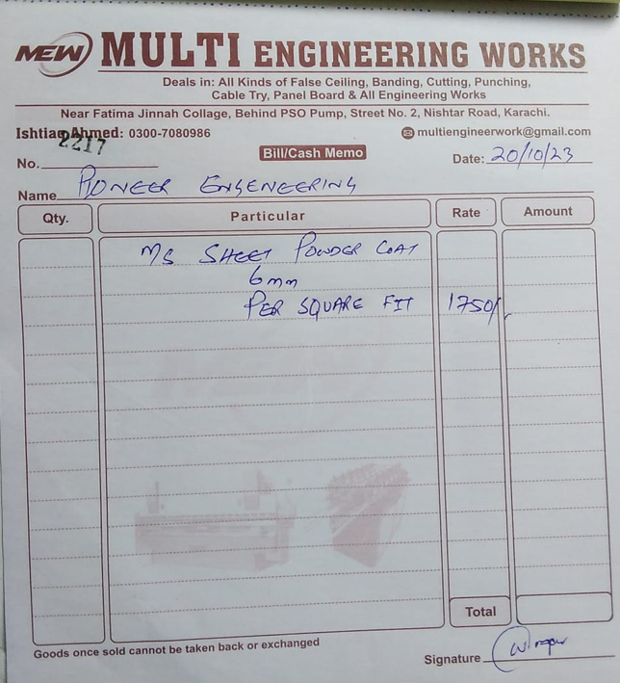
Dated: | 25-Oct-23
Project: | Construction of Standard Chartered bank at I.I Chundrigar Road karachi.
Variation No 3

Revised Rate Analysis for MS Cable Tray
S. # | Description | Unit | Quantity |  |  | Rate | Amount | Gross
 |  |  | Actual | Waste | Total
A MATERIAL.
1 | Supply of MS cable tray 6mm thickness size of 12''x 6'' | Sqft | 1.00 |  | 1.00 | 1,750 | 1,750
 |  |  |  |  |  |  | -
 |  |  |  |  |  |  | -
 | Total. |  |  |  |  |  | 1,750 | 1,750
B LABOUR.
S. # | Description | Unit | Quantity |  |  | Rate | Amount | Gross
 |  |  | Actual | Waste | Total
1 | Installation of Ms cable tray including Ms sheet 6mm thickness bending and welding. | Sqft | 1.00 |  | 1.00 | 450 | 450
 |  |  |  |  |  |  | -

 | Total. |  |  |  |  |  | 450 | 2,200
C OTHER
S. # | Description | Unit | Quantity |  |  | Rate | Amount | Gross
 |  |  | Actual | Waste | Total

 | Total. | Sqft | 198.00 |  | 198.00 | 2,200.00 | 435,600.00 | 437,800
 | Total Rs. |  |  |  |  |  |  | 437,800
Sub-Contractor Margin: |  |  | 25% |  |  |  |  | 109,450
Total Price |  |  |  |  |  |  |  | 547,250

